Benchmarked telematics devices
Company | Telematics Device model number | Dimensions (mm) | Weight (grams) | Operating Voltage | Current Consumption | Operating Temperature | Humidity | GPS Receiver Type | Tracking Sensitivity | Cold start Time | Warm start Time | Location Accuracy | Accelerometer | Gyroscope | Internal Flash Memory | Interfaces | Bluetooth | SD card functionality | Applications | Cost($) | Product Link
1) ATrack trackers | 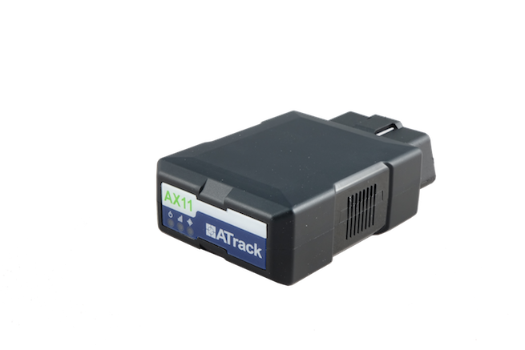 1) AX11 | 84 × 52 × 25 | 80 | 12V - 24V | 60-300 mA | −40 to +70 °C | 95%RH | 99 channel | -167 dBm | not mentioned | not mentioned | 2.5m | 3-axis ±16g | 3-axis ±2000dps | 64MB | RS-232, Mini USB,OBD | present (optional) | not present | 1) Usage-based insurance 2) Car rental 3) Fleet management | 190 | Link
 | 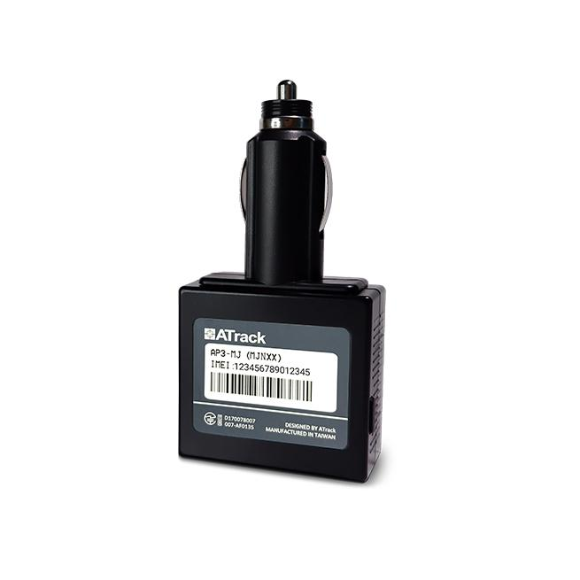 2) AP3 | 100 × 50 × 25 | 70 | 12V - 24V | 53-204 mA | −20 to +60 °C | 95%RH | 72 channel | -167 dBm | not mentioned | not mentioned | 2.5m | 3-axis ±16g | not present | 64MB | Cigarette Lighter Plug | not present | not present | 1) Real-time location tracking 2)Monitor and detect motion and impact events | not available | Link
2) Teltonika | 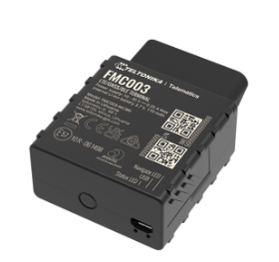 1) FMC003 | 67 x 49 x 25 | 63 | 10 - 30 V | not mentioned | -40 °C to +85 °C | 5%RH to 95%RH | 33 channel | -165 dBm | < 35 s | < 25 s | 2.5m | 3-axis | not present | 128MB | Mini USB,OBD | present | not present | 1) Insurance telematics (UBI) 2) Driver log-book 3) Fleet management of light commercial vehicles 4) Car rental & leasing | 83 | Link
 | 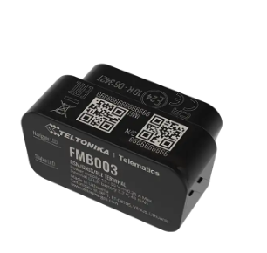 2) FMB003 | 52 x 29 x 26 | not mentioned | 10 - 30 V | 28 mA | -40 °C to +85 °C | 5%RH to 95%RH | 33 channel | -165 dBm | < 35 s | < 25 s | 2.5m | 3-axis | not present | 128MB | OBD | present | not present | 1) Insurance telematics (UBI) 2) Driver log-book 3) Fleet management of light commercial vehicles 4) Car rental & leasing | 52 | Link
 | 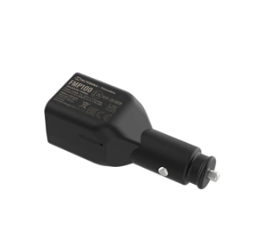 3) FMP100 | 96 x 33 x 27 | not mentioned | 10 - 30 V | not mentioned | -40 °C to +85 °C | 5%RH to 95%RH | 33 channel | -165 dBm | < 35 s | < 25 s | 2.5m | 3-axis | not present | 128MB | Cigarette lighter socket | present | not present | 1) Insurance telematics 2) Car rental & leasing 3) Courier delivery service | 43 | Link
3) Concox | 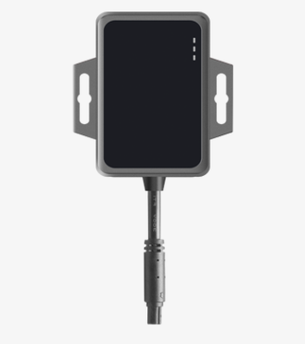 1) JM-VG01U | 80 x 67 x 16 | 63 | 9 - 36 V | not mentioned | -20 °C to +70 °C | 5%RH to 95%RH | not mentioned | -165 dBm | < 32 s | not mentioned | 2.5m | 3-axis | 3-axis | 64MB | ACC input(for power) | not present | not present | 1) Driver behaviour analysis 2) Vehicle Movement analysis 3) Geo-Fencing | 45 | Link
 | 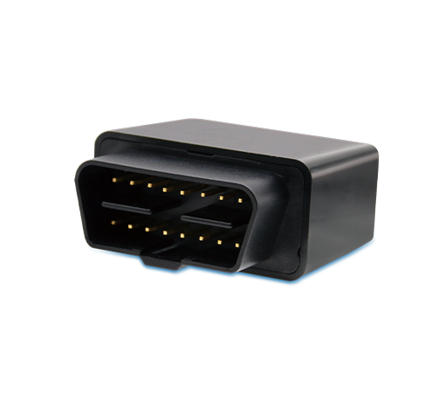 2) JM-VG02U | 45.0 x 22.5 x 30.0 | 30 | 9 - 36 V | not mentioned | -20 °C to +70 °C | 5%RH to 95%RH | not mentioned | -165 dBM | < 32 s | not mentioned | 2.5m | 3-axis | 3-axis | 64MB | OBD | not present | not present | 1) Driver behaviour analysis 2) Vehicle Movement analysis 3) Geo-Fencing | 32 | Link
4) Meitrack | 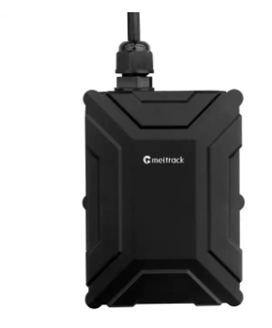 1) T366 | 80 x 60 x 23 | 100 | 11 - 90 V | 65 mA | -35°C to 80°C | 5%RH to 95%RH | not mentioned | not mentioned | not mentioned | not mentioned | 2.5m | 3-axis | not present | 8MB | I/O power cable | not present | not present | 1)Track by distance 2)Track by mobile phone 3)Speeding alert 4)Cornering report | 120 | Link
5) Ruptela | 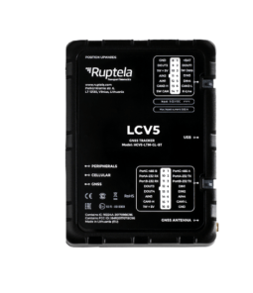 1) LCV5 | 101 x 74 x 23 | 128 | 9 - 32 V | 260 mA | -20 °C to +60°C | 5%RH to 95%RH | not mentioned | -164 dBm | < 30 s | not mentioned | 2.5m | 3-axis ±4g | not present | 8MB | OBD, RS232, RS485, Micro USB | present (optional) | not present | 1) Driver behaviour monitoring 2) Real-time monitoring of fleets 3) Fleet efficiency optimization | 95 | Link
 | 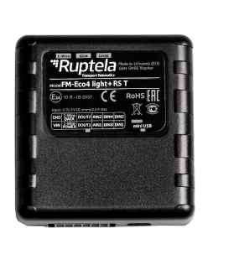 2) FM-Eco4 T | 95 x 77 x 29 mm | 148 | 6 - 31.5 V | 135 mA | -20 °C to +60°C | 5%RH to 95%RH | not mentioned | -164 dBm | < 30 s | not mentioned | 2.5m | 3-axis ±4g | not present | 4 MB | Mini USB | not present |  | 1) Driver behaviour monitoring 2) Real-time monitoring of fleets 3) Fleet efficiency optimization 4) Rental and Leasing | not available | Link

